Sheet1
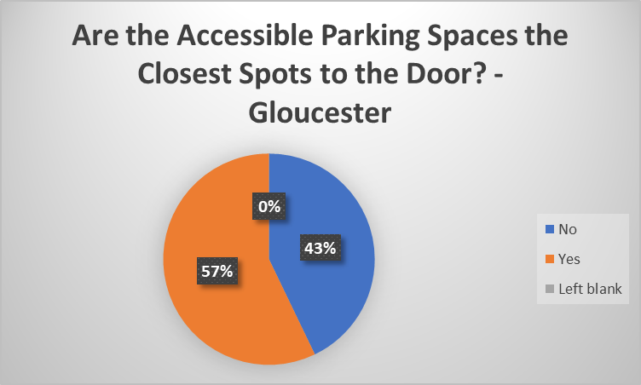
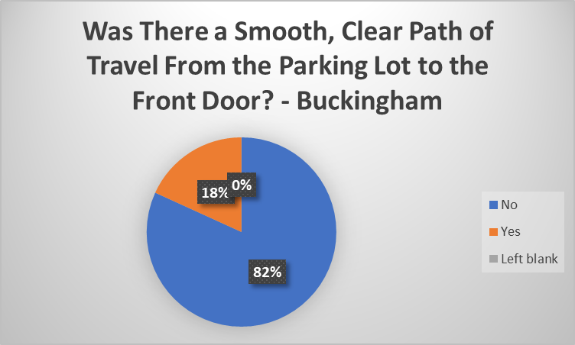
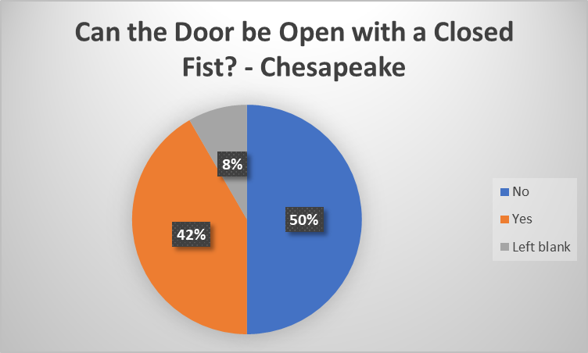
Did You See Curbside Voting or a Sign for it? - New Kent
No | 1
Yes | 0
Blank | 0

